stage one
 |  | Number
Series | n |  | I have setup the cells that the solver will be modifying until it finds the optimal value
Movies | m
Total Purchased |  | 0 | I have a total of n + m for comapring with the constraints of available space

 | Profit | Cost
Series | 5 | 25 | I have entered in the cost and profit for series and movies
Movies | 2.5 | 19

Total | 0 | 0 | I use the SUMPRODUCT to multiply series and movie profit by n and m and sum them up. Sum product saves you the stress of typing in multiiple products

Total Budget |  | 10000 | I have entered in the constraint

Current Inventory |  | 3800 | Here we provide the inventory space available
Max Inventory |  | 5000

Available Space |  | 1200 | Here we calculate the number of movies we can stock

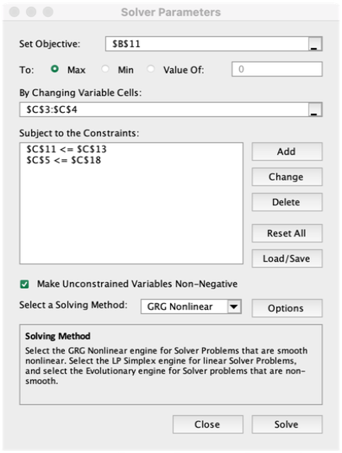
 |  |  | To use the solver, click on Data > Solver
 |  |  | Enter in the following information and click solve
 |  |  | The values in the yellow colored cells will change

 |  |  | Note, you can use Simplex as the solving method too

